Dimension & material specs
Table 2: Accessories
Model | English description
Electrosurgical Generator
1000 | Mega Power Electrosurgical Generator
1400 | Monopolar Footswitch (3 Meter Cable)
1450 | Bipolar Footswitch (3 Meter Cable)
Reusable Foot Cable
75 | Reusable Foot Control Cord
Skintact Cool Contact electrosurgical Grounding Plates w/ NH 04 gel
0850C | Adult Disposable Patient Return Electrode with Cord - Standard
0855C | Adult Disposable Patient Return Electrode with Cord - Monitoring
0865C | Pediatric Disposable Patient Return Electrode with Cord -Monitoring
855 | Re-CORDable Disposable Patient Return Electrode - Monitoring
875 | Re-CORDable Reusable Cable - Monitoring

Table 3: Schematic diagram description, type, material and dimension
REF# | Description | Type | Dimension Length × width [cm] | Schematic diagram | Material
0850C | Adults,monolithic,with 3-meter cord. | Standard | 20 × 11.2 | 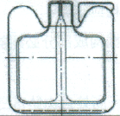 | Back of 0855C & 0855-mesh Back of other models-PE foam material Adhesive-medical acrylic adhesive Conductive material-aluminum Gel-hydrogel Release paper-silicide foil
0855C | Adults,Bilithic,with 3-meter cord. | Monitoring | 14.1 × 15.7
855 | Adults,Bilithic,no cord. | Monitoring | 14.1 × 15.7
0865C | Children,Bilithic,with 3-meter cord. | Monitoring | 13.5 × 11.2

Annexure 1
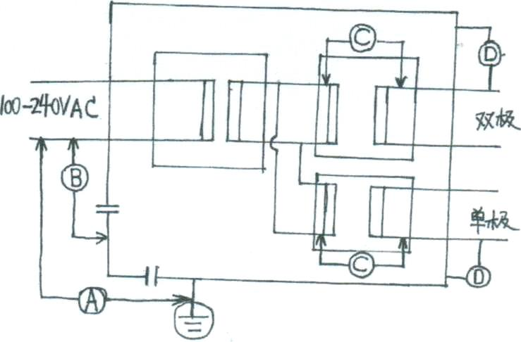
Test conditions |  | Position | Insulation path | Reference voltage | Test voltage requirements | Creepage distance requirement | Air clearance requirement
1 | Ambient temperature range: +10℃ ~ +40℃ | A | A-a1 | ac 240V | ac 1500V | 4.0mm | 2.5mm
2 | Relative humidity range: 15%~75% (non-condensing) | B | A-a2 | ac 240V | ac 4000V | 8.0mm | 5.0mm
3 | Atmosphere pressure range: 700 hPa~1060 hPa | C (bipolar) | B-a | ac 269V | ac 4076V | 12.0mm | 7.0mm
4 | Power supply: 100~240 VAC 50-60 Hz | D (bipolar) | B-d | ac 269V | ac 1538V | 4.0mm | 4.0mm
Test equipment |  | C (monopolar) | B-a | ac 2122V | ac 9244V | 32.0mm | 18.0mm
1 | Adjustable stabilized voltage supply | D (monopolar) | B-d | ac 2122V | ac 4122V | 6.0mm | 6.0mm
2 | High frequency electrotome tester (such as Dynatech454A or equivalent), with load of 25 Ω, 50 Ω, 100 Ω, 150 Ω, 200 Ω, 250 Ω, 300 Ω, 400 Ω, 500 Ω and 600 Ω.
3 | High frequency electrotome tester with high frequency leakage current.
4 | Withstand voltage tester for electrical equipment
5 | Earth impedance tester.
6 | Environmental conditions test chamber for electrical equipment.
Annex A
1 | Main Safety Characteristics of Product
2 | Classification according to the type of protection against electric shock: Class I equipment;
3 | Classification according to the degree of protection against electric shock: Type CF applied part;
4 | Classification according to the degree of protection against liquid ingress: Host: IPX0; foot switch: IPX8;
5 | This equipment may not be used in the flammable anesthetic gas mixed with air, oxygen or nitrous oxide;
6 | Classification according to the operation mode: intermittent operation: 10s On, 30s Off;
7 | Rated voltage and frequency of equipment: 100-240 VAC, 50-60 Hz;
8 | Input power of equipment: 550 W;
9 | This equipment has defibrillation-proof applied part;
10 | The equipment has no signal output or input part;
11 | Non-permanently installed equipment;
12 | Electrical insulation diagram: See the figure below.

